Sheet1
YRS_IN_BSNS | Years In Business | number of years company has been in business | YRS_IN_BSNS | YRS_IN_BSNS_GRP
YRS_IN_BSNS_GRP | Years In Business Group | describes the years in business | -1 | <0
YRS_IN_BSNS_S_GRP | Years in Business S Group | ? Might be just a different grouping | 0 | 0
RT_MAN_CD | Rate Manual Code | A code assigned to classify Progressive business and expenses. | 1 | 1
CO_CD | Company Code | The company code that this policy was sold by. | 2 | 2
SIC_CD | Standard Industrial Classification | code developed by the US. Government, which is used to classify business and non-business establishments by the type of activity they are involved in. | 3 | 3
 |  | SIC codes are assigned to the insured risk based on the business class information that is provided during quoting. Our intent is to align the SIC code | 4 | 4
 |  | assignment as closely as possible to the federal government's SIC code designations. This isn't always practical due to the level of granularity at which | 5 | 5
 |  | the federal government assigns SIC codes to industries. SIC_CD is synonymous with CV_INDSTR_CLSS_CD. | 10 | >=6 and <=10
CMRCL_COV_CD | Commercial Coverage Code | Commercial coverages (Does the insured currently have General Liability Insurance (GL) or a Business Owners Policy(BOP)? This field is populated from | 50 | >=11 and <=50
 |  | from April 2004 and forward | 100 | >=51 and <=100
ACC_DT | Accident Date | Date the Accident occurred. An valid data in MM/DD/YYYY format | 400 | >=101 and <=400
CALEN_DT | Calendar Date | Complete calendar date. Business Rules & Info: It is actually the accounting date (aka Zelikow aka Progressive date) of the ransaction. On the PLR tables, | 401 | >=401
 |  | it is always the first of the month. | 402 | Unknown
LOSS_SLSB_AMT | Loss Amount-Salvage Subrogation | The sum of payments received for salvage and subrogation on a line/coverage/feature ID for a claim.
WRT_PREM_AMT | Written Premium Amount | The cost of insuring all vehicles and coverages on a policy. This total includes fees. To exclude fees, you must exclude the line coverages for the fees.
 |  | Note that if endorsements effective mid-term have been processed on a policy, the written premium will be the prorated amount, or the amount that is billed to
 |  | the customer, not the full term premium as appears in Proteus. Also known as "Net Premium" |  | Risk Type
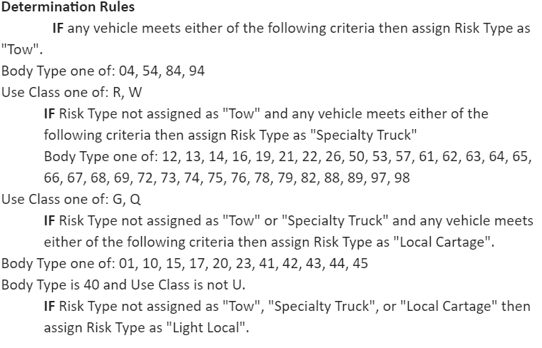
ERN_PREM_AMT | Earned Premium Amount | That amount of premium earned for a vehicle in the year that the policy is effective.
LOSS_RESV_AMT | Loss Amount-Current Reserve | The sum of changes to a reserve for each line/coverage/feature ID on a claim as of the last month-end update.
 |  | Note that the reserve amount in MDW is the financial case reserve amount, not the adjuster set reserve, which PACMAN and PROTEUS also carry. The financial
 |  | reserve amount is the one used by other loss reporting systems.
 |  | NOTE: In the Monthly Loss Table, the Reserve Amount represents the net change in reserves from last month by claim activity year/month and line coverage.
LOSS_PAID_AMT | Loss Amount-Paid to Date | The sum of payments made on a claim for a line/coverage/feature as of the last month-end update.
 |  | NOTE: In the Monthly Loss Table, the Paid-to-Date represents the net paid for the month by claim activity year/month and line coverage.
DSTRBT_CHNL | Distribution Channel Indicator | A code which indicates whether policies were purchased through Direct channel or through Agency.
RISK_TYPE_CD | Risk Type Code | A broad policy-level segmentation based on insured vehicles. Body type and use class are used to designate vehicles with one of four risk types. The order of
 |  | precedence below is used to assign the policy-level Risk Type in cases with more than one classification among listed vehicles. Risk Type Code is assigned and the
 |  | beginning of a policy term and does not change for the duration of the term.
MKT | Market | Indicates the final market for the policy. Valid Values: NS = Non-Standard, MM = Middle Market, ST = Standard, PR = Preferred, UL = Ultra-Preferred, SA = Strategic Alliance
BUS_TYP_DESC | Business Type Description | The text description of the SIC code (Business Type).
BMT | Business Market Target | BMT (Business Market Target) is a market segment designation based on industry characteristics related to Commercial Auto insurance and defined by SIC
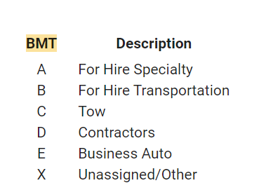
 |  | Note: see related field: CAW.BUSTYP.SUB_BMT

 |  |  |  | SIC CODE BUS_TYP_DESC
 |  |  |  | 0000 Misc
 |  |  |  | 0100 Farming & Livestock
SUB_BMT | Sub Business Market Target | Sub BMT (Business Market Target) is a market segment designation based on industry characteristics. Sub BMT is a more specific verion of the BMT segmentation. |  | 0780 Landscaping, Snowplowing, & Firewood
 |  | Note: See CAW.BUSTYP.BMT for more information. |  | 0800 Forestry & Forestry Services-Fish,Hunt,Trapp,Game Preserves
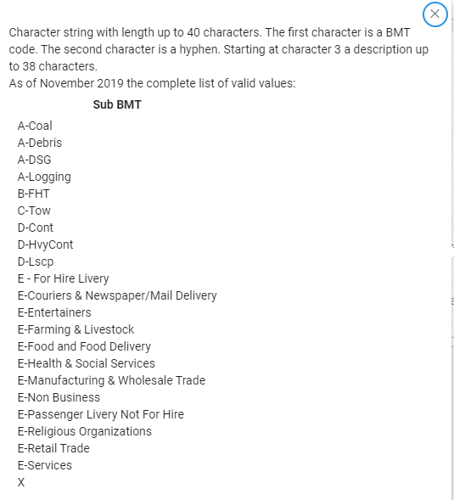
 |  |  |  | 1300 Oil And Gas Extraction
 |  |  |  | 1400 Mining & Quarrying, Excpt Fuels,Including Sand & Gravel Pits
 |  |  |  | 1442 Mining - Construction Sand and Gravel
 |  |  |  | 1521 Residential Builders
 |  |  |  | 1541 Non-Residential & Industrial Builders
 |  |  |  | 1611 Heavy Construction - Road & Utilities
 |  |  |  | 1700 Other Trade Contractors
 |  |  |  | 1710 Heating & Air Conditioning
 |  |  |  | 1711 Plumbing
 |  |  |  | 1721 Painting & Wallpaper Hanging
 |  |  |  | 1731 Electrical Contractor
 |  |  |  | 1740 Masonry,Plastering/Drywall,Carpenters,Flooring(Renewal Only)
 |  |  |  | 1741 Masons
 |  |  |  | 1742 Drywall, Plastering & Insulation Work
 |  |  |  | 1751 Carpentry
 |  |  |  | 1752 Flooring
 |  |  |  | 1761 Roofing,Siding & Sheet Metal Work
 |  |  |  | 1771 Concrete & Asphalt Work
 |  |  |  | 1781 Water Well Drilling Contractors
 |  |  |  | 1793 Glass & Glazing Work
 |  |  |  | 1794 Excavating Work
 |  |  |  | 1799 Out of State Contractors
 |  |  |  | 2000 Food & Related Products, Tobacco Prod, Animal Foods
 |  |  |  | 2400 Lumber & Wood Products(Expt Furniture)-Wood Bldgs/Mble Homes
CMRCL_COV_CD | Commercial Coverage Code | Commercial coverages (Does the insured currently have General Liability Insurance (GL) or a Business Owners Policy(BOP)? |  | 2410 Logging & Log Transport
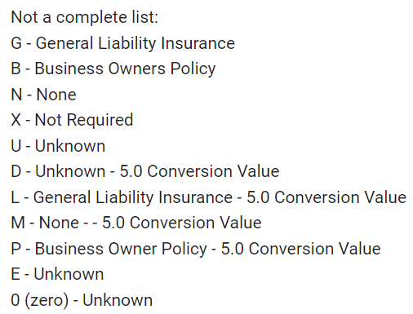
 |  |  |  | 2500 Furniture And Fixtures
 |  |  |  | 3300 Primary Metal Industry (Foundries,Refining), Metal Products
 |  |  |  | 3900 Other Manufacturing Industries, If Not Above
 |  |  |  | 3999 Manufacturing
 |  |  |  | 4100 Charters, Intercity Transport, Tours, Airport Shuttles
 |  |  |  | 4111 Limo Services
 |  |  |  | 4112 Black Car Services
 |  |  |  | 4119 Non-Emergency Medical Transportation
 |  |  |  | 4121 Taxi Services
 |  |  |  | 4122 Airport Taxi Services
 |  |  |  | 4210 Dirt, Sand & Gravel
 |  |  |  | 4211 Household Movers
 |  |  |  | 4212 For Hire Trucking Operations
 |  |  |  | 4213 Hazardous Materials
 |  |  |  | 4214 Coal Hauling
 |  |  |  | 4215 Courier
 |  |  |  | 4216 Livestock Hauling
 |  |  |  | 4217 Machinery & Heavy Equipment
 |  |  |  | 4218 Steel Hauling
 |  |  |  | 4219 Freight Forwarders
 |  |  |  | 4220 Agricultural Hauling
 |  |  |  | 4222 Refrigerated Goods
 |  |  |  | 4229 Expediters
 |  |  |  | 4300 Amish Taxi
 |  |  |  | 4311 United States Postal Service And Mail Delivery
 |  |  |  | 4953 Debris Removal
 |  |  |  | 4954 Garbage & Trash
 |  |  |  | 4955 Septic Waste Removal
 |  |  |  | 5000 Wholesale Trade, Durable Goods (If Not Above)
 |  |  |  | 5010 Wholesale Manufacturing(Renewals Only)
 |  |  |  | 5021 Furniture And Home Furnishings
 |  |  |  | 5093 Scrap Metal,Scrap Auto & Recycling Services
 |  |  |  | 5099 Wholesale Trade
 |  |  |  | 5100 Wholesale Trade, Non-Durable Goods (If Not Above)
 |  |  |  | 5140 Groceries And Packaged Foods (Exc. Fruits & Veg.)
 |  |  |  | 5148 Fresh Fruits And Vegetables, Grains
 |  |  |  | 5160 Wholesale Chemicals, Petroleum And Related Products
 |  |  |  | 5199 Non-Durable Goods
 |  |  |  | 5211 Building Materials & Hardware Stores
 |  |  |  | 5270 Escort Vehicle
 |  |  |  | 5399 Retail Operations
 |  |  |  | 5400 Food Stores
 |  |  |  | 5411 Food & Grocery Stores
 |  |  |  | 5500 Automotive Dealers, Auto Supply Stores
 |  |  |  | 5521 Auto Dealers
 |  |  |  | 5541 Gas & Service Stations
 |  |  |  | 5699 Retail Trade
 |  |  |  | 5700 Home Furniture, Furnishings, And Equipment Stores
 |  |  |  | 5712 Furniture Stores
 |  |  |  | 5810 Catering Business
 |  |  |  | 5812 Pizza / Fast Food Delivery / Restaraunts
 |  |  |  | 5900 Other Retail Trade Operations
 |  |  |  | 5963 Prepared Food & Lunch Truck
 |  |  |  | 5964 Door to Door Sales
 |  |  |  | 5980 Fuel Oil Dealers
 |  |  |  | 5990 Ice Cream Vendors
 |  |  |  | 5992 Florist
 |  |  |  | 5994 Newspaper & Mail Delivery
 |  |  |  | 5999 Retail Trade
 |  |  |  | 6000 Real Estate, Insurance & Finance
 |  |  |  | 7000 Livery (Not For-Hire)
 |  |  |  | 7200 Personal Services - Laundry, Cleaning, Beauty Shops, Etc.
 |  |  |  | 7201 Dry Cleaners or Laundry
 |  |  |  | 7216 Dry Cleaning, Laundry & Carpet Cleaners
 |  |  |  | 7231 Personal Care - Beauty & Barber Shops
 |  |  |  | 7261 Funeral Services
 |  |  |  | 7300 Business Services (Except Pest Control), Membership Org.
 |  |  |  | 7310 School Owned Buses
 |  |  |  | 7342 Disinfecting & Pest Control Services
 |  |  |  | 7349 Janitorial & Building Maintenance Services
 |  |  |  | 7359 Equipment Rental & Leasing
 |  |  |  | 7381 Security Guard & Private Investigation
 |  |  |  | 7389 Consulting, Legal & Engineering
 |  |  |  | 7530 Automotive Repair
 |  |  |  | 7532 Body Shops
 |  |  |  | 7538 Auto Repair & Maintenance
 |  |  |  | 7545 Towing & Service Stations (Renewals Only)
 |  |  |  | 7546 Auto Haulers
 |  |  |  | 7547 Auto Auction Haulers
 |  |  |  | 7549 Towing Services
 |  |  |  | 7600 Miscellaneous Repair
 |  |  |  | 7699 Repair Services
 |  |  |  | 8060 Hospitals And Hospital-Owned Ambulances
 |  |  |  | 8249 Driving Schools
 |  |  |  | 8300 Social & Health Services
 |  |  |  | 8322 Meals on Wheels
 |  |  |  | 8351 Day Care(Child & Adult Services)
 |  |  |  | 8352 Residential Care (CA Only)
 |  |  |  | 8361 Residential Care
 |  |  |  | 8661 Religious Organizations
 |  |  |  | 8800 Private Households And Non-Business Use
 |  |  |  | 8900 Other Passenger Transport (Not For Hire)
 |  |  |  | 8901 Hotel Shuttle Services
 |  |  |  | 8902 Entertainers & Musicians
 |  |  |  | 9000 Public Administration
 |  |  |  | 9097 Mobile Home Toters
 |  |  |  | 9098 Visiting Nurse
 |  |  |  | 9099 Services Not Otherwise Classified
 |  |  |  | 9199 Non Business
 |  |  |  | 9999 Non Classifiable Establishment

